MODBUS Configuration
Modbus Communication Specification (v1.0)
Protocol | Modbus RTU (I/O board address: 1)
Communication | RS485 Half Duplex
Baud rate | 115200
Data length | 8 bit
Parity | Even
Stop bit | 2

RS485 connection and Power pin-out

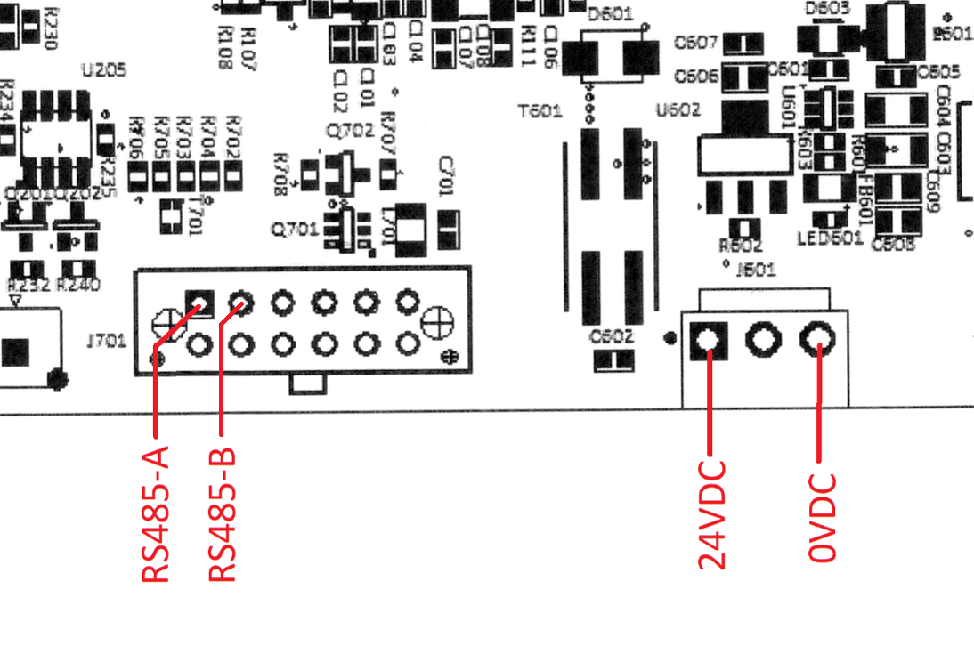

Notes: - If you want to connect a PC or Laptop to the I/O board and run a Mater MODBUS software, you need a USB to RS485 converter and the above connection diagram. The MODBUS Pool Software is recommended.

Service Error Codes
Service Error Codes
THE FOLLOWING INFORMATION IS ONLY A REFLECTION OF T1 Skillet(Gas), OTHER UNITS WILL REQUIRE DIFFERENT ERROR CODES, REGISTRY ITEMS, COIL LISTINGS.

Base Error Codes
Error Code | Error Name | Error Trigger Rules | Error Description | UI or I/O | Bit #
E101 | Heater Error | When Coil 37 engaged start 1 minute timer and watch for increase in register 1. If no increased seen by end of timer trigger error. Do not engage error if register 1 is within 10 of register 6 value. | Error for when the heating system has a problem could be for elements, or for Contactors or wiring in between. | UI | NA
E102 | Safety Switch Error | When Coil 26 is Low. | Error for when the safety thermostat is engaged. | I/O | 2
E701 | Jacket Sensor Error | When Register 1 value is below 32F or over 500F trigger error. | Jacket Probe is non operable or outside of permissible calibration. Lockout of heating system should occur in this scenario. | I/O | 0
E702 | Product Sensor Error | When Register 2 value is below 32F or over 500F trigger error only if this occurs while U/I calls for use of product probe. | Product Probe is non operable or outside of permissible calibration. | I/O | 1
E201
E202
E010 | I/O Board over temperature Error | When the Register 3 value is above 80 (Celsius). | I/O Board overheat error if the I/O board temperature exceeds safe operating temperature. Full lockout of the unit should occur, and no subsystem should be operable. | I/O | 5
E011 | Communication Error | When communication is lost for 10 seconds | There is no communication between UI and I/O Board | I/O | 6
Service Error Code Hiearchy
The hierarchy for the code system I used is E00*** with the asterixis replaced by the following rule categories:
NOTES:
-Code can be shortened by removing the 2 augmentative digits after the E, i.e: E701 instead of E00701. This will limit future code availability but this should not be an issue.
- Errors are not self-clear and must be cleared by UI after processing.
Subsystem | Error Suffix
Control Systems | 0
Heating System | 100

Probes | 700

